Dashboard
Nigerian Car Market
Average Vehicle Metrics: Nigerian Car Market

₦5.0M
28K
(km)
217
(hp)
3.1K
(cc)
Location: Nigeria . Africa

Price
Miallage
Horse Power
Engine Size

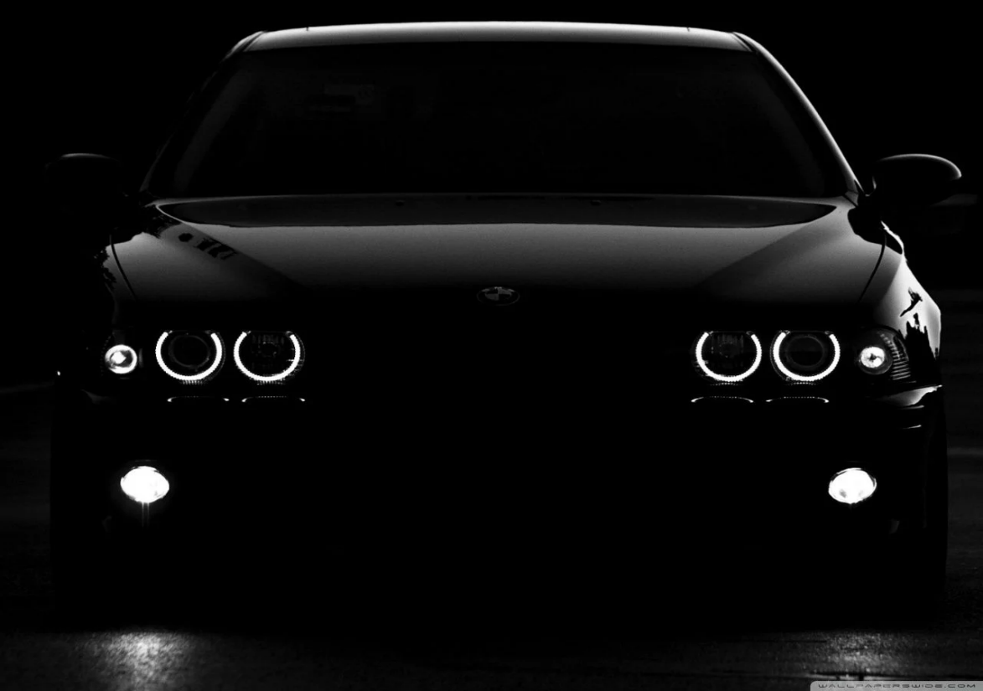

Top 10 Most Popular Popular Car Models In Nigeria
 | Total
Acura | 56
Ford | 135
Honda | 310
Hyundai | 97
Kia | 57
Lexus | 289
Mercedes-Benz | 261
Nissan | 111
Toyota | 1126
Volkswagen | 56

 | Total
Automatic | 2702
Manual | 171
 | Total
Beige | 18
Black | 741
Blue | 323
Brown | 46
Gold | 149
Gray | 498
Green | 100
Red | 205
Silver | 484
White | 279
Nigerian Driver's Preference: Automatic Or Manual
Most Popular Car Colors in Nigeria: Top 10 Choices

Insights on pricing, mileage and performance: Sourced from Car45.com

